1. Title Page
Instacart Basket Analysis

Project Name: Instacart Basket Analysis
Date: 03.02.2025
Analyst Name: Delaram Rahmani

Contents:
Population Flow
Consistency checks
Wrangling steps
Column derivations
Visualizations
Recommendations

Data Source: “The Instacart Online Grocery Shopping Dataset 2017”, Accessed from www.instacart.com/datasets/grocery-shopping-2017 via Kaggle on 10.28.2024.

2. Population Flow
Title page

Population flow

Exclusion flag
Condition: max_order < 5
Obervations to be removed: 6,136,690
Final total count of order_products_all: 24,144,799

Orders_products_combined
Orders_products_merged
Orders_products_all

Total: 32,404,859
Total:32,412,489
Total: 32,404,859

1.) The grey boxes in the first row of the population flow represent the original data sets as they were when you downloaded them. In the Total fields you need to add the count of the rows when you imported the data set into Jupyter.
2.) The second row of boxes (coloured) represents the data sets after you manipulated them, e.g., removed missing values and duplicates. In the Total fields you need to add the count of the rows after conducting these operations. This offers a visual oveview of how the data flows throughout the data consistency checks.
3.) The third row, where also the arrows are coloured, represents the merges you performed between the datasets. In the Total fields you need to add the count of the rows in the merged datasets, so that you end up with the final dataset (in the red box). Keep in mind the final dataset should be without exclusions (based on the exclusion flag).

3. Consistency checks
 |  |  |  | Title page
Consistency checks

Dataset | Missing values | Missing values treatment | Duplicates
orders | days_since_prior_order had missing values for first-time orders | Filled missing values with 0 | No duplicates
products | No significant missing values detected | N/A | No duplicates
orders_products_prior | No missing values detected | N/A | No duplicates
customers | Missing demographic data in income and state columns | Flagged or filtered records with missing data | No duplicates

4. Wrangling steps
 |  |  |  | Title page
Wrangling steps

Columns dropped | Columns renamed | Columns' type changed | Comment/Reason
eval_set (from orders) | None | order_id to int64 | Removed irrelevant column for analysis.
None | department to department_id | prices to float64 | Standardized naming and ensured consistency for merge operations.
None | None | date_joined to datetime64 | Changed data type for time-based analysis.
None | None | state, gender to category | Reduced memory usage for categorical variables.
None | None | loyalty_flag, spending_flag to category | Optimized storage for derived flags.

5. Column derivations
 |  |  |  | Title page

Column derivations and aggregations

In this tab you should add tables below that the frequences of flags/label variables that you produced after deriving them. NB: don't do this for continuous variables, only for flags.
Dataset | New column | Column/s it was derived from | Conditions
orders_products | loyalty_flag | max_order | - Loyal Customer: max_order >= 10
 |  |  | - Regular Customer: max_order < 10
orders_products | spending_flag | avg_spending | - High Spender: avg_spending > 10
 |  |  | - Low Spender: avg_spending <= 10
orders_products | frequency_flag | median_days_since_order | - Frequent Customer: median_days_since_order < 20
 |  |  | - Infrequent Customer: >= 20
customers | age_group | Age | - Young Adult: Age < 30
 |  |  | - Adult: 30 <= Age < 60
 |  |  | - Senior: Age >= 60
customers | income_group | income | - Low Income: income < 50,000
 |  |  | - Middle Income: 50,000 <= income < 100,000
 |  |  | - High Income: income >= 100,000
customers | family_status | n_dependants | - Single Adult: n_dependants == 0
 |  |  | - Small Family: 1 <= n_dependants <= 2
 |  |  | - Large Family: n_dependants > 2
orders_products | shopping_behavior | department_id | Labels specific shopping categories by department for segmentation analysis.

6. Visualizations
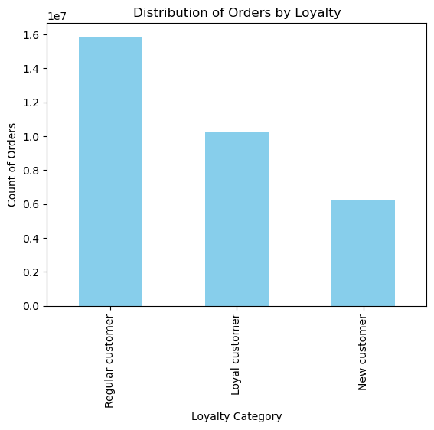
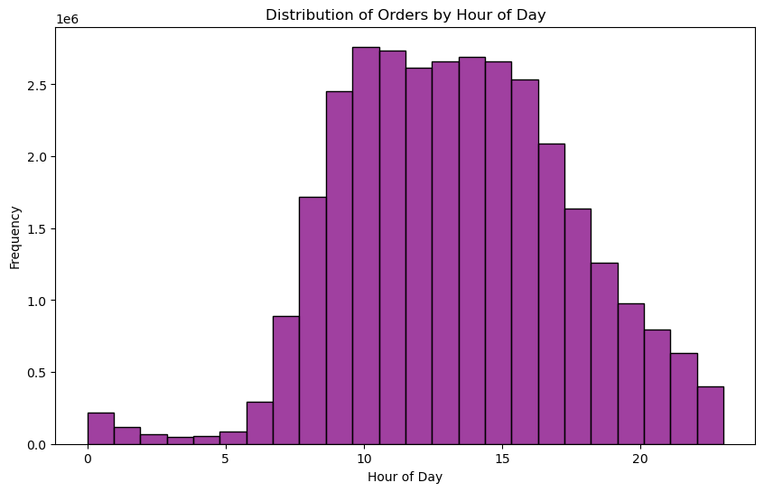
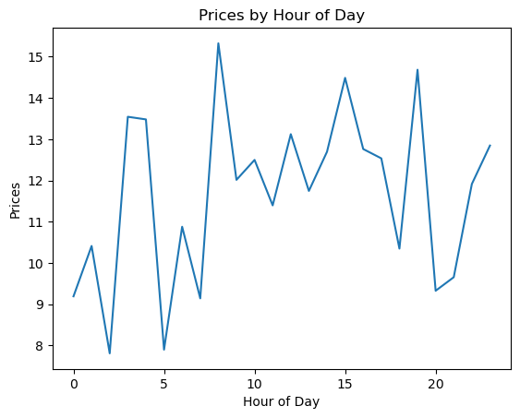
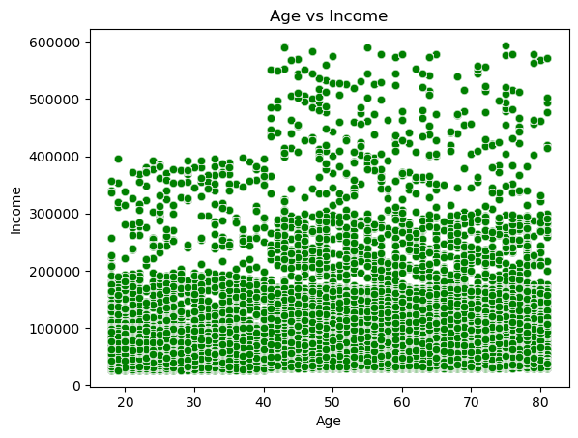
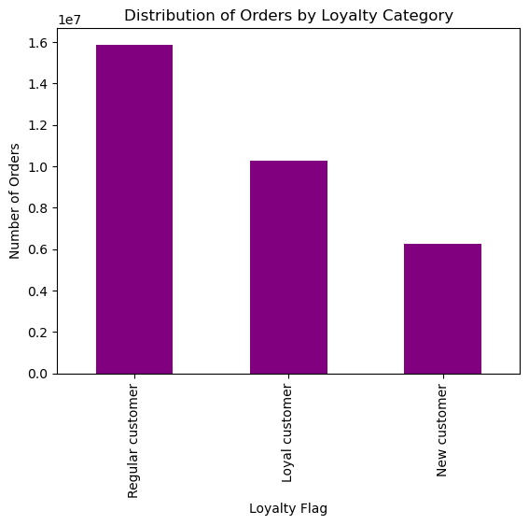
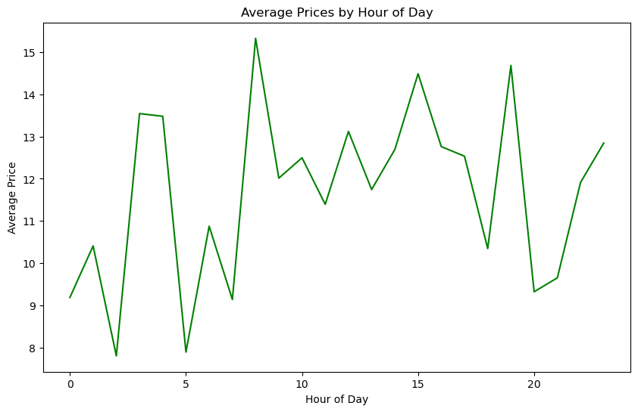
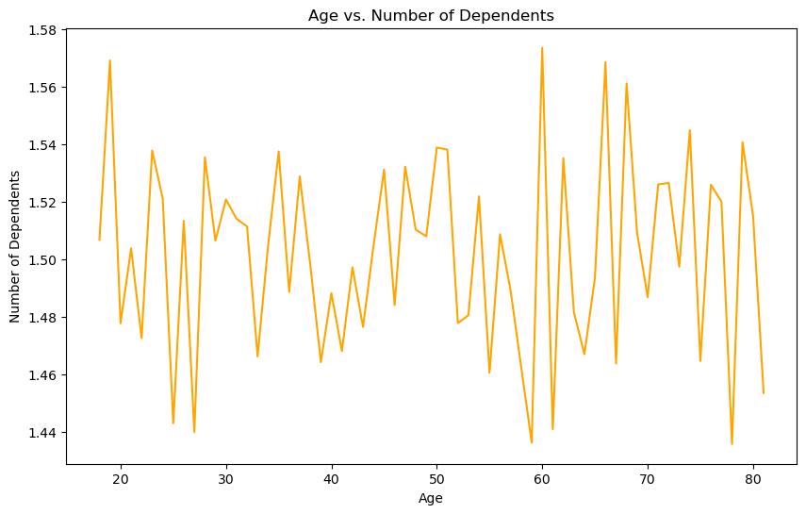
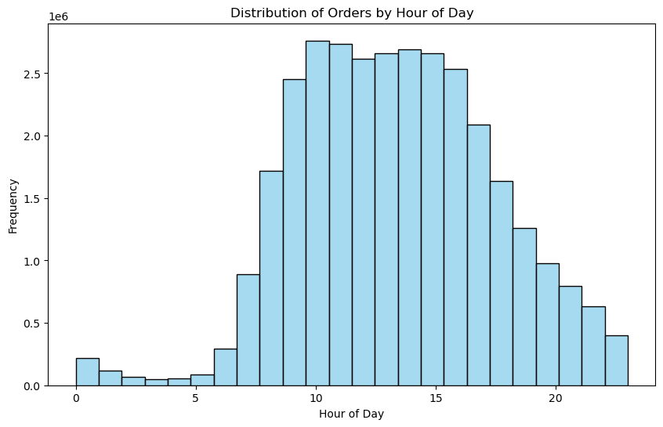
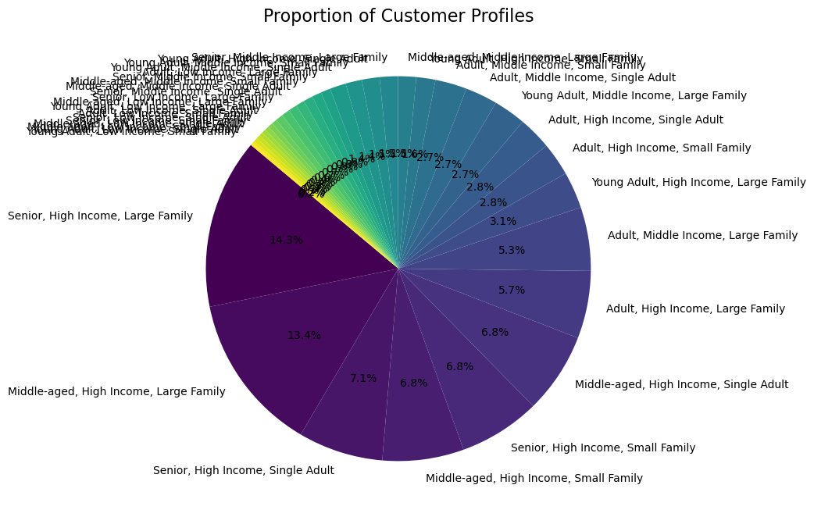
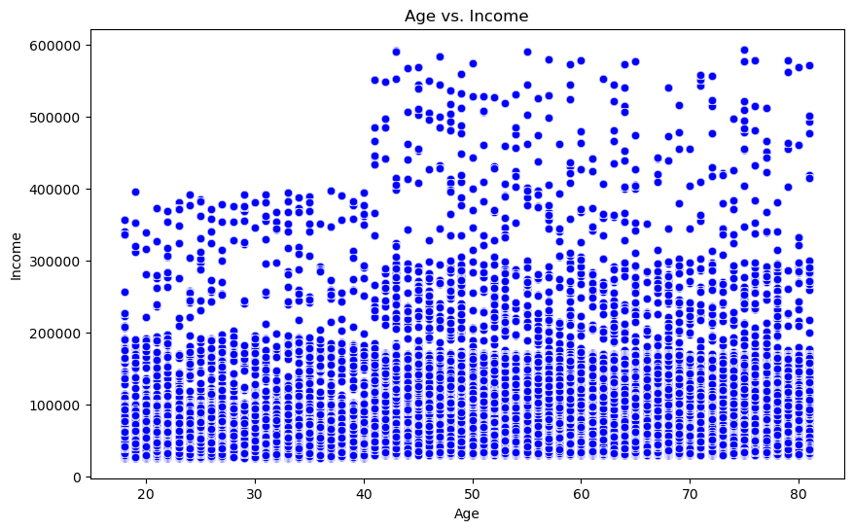
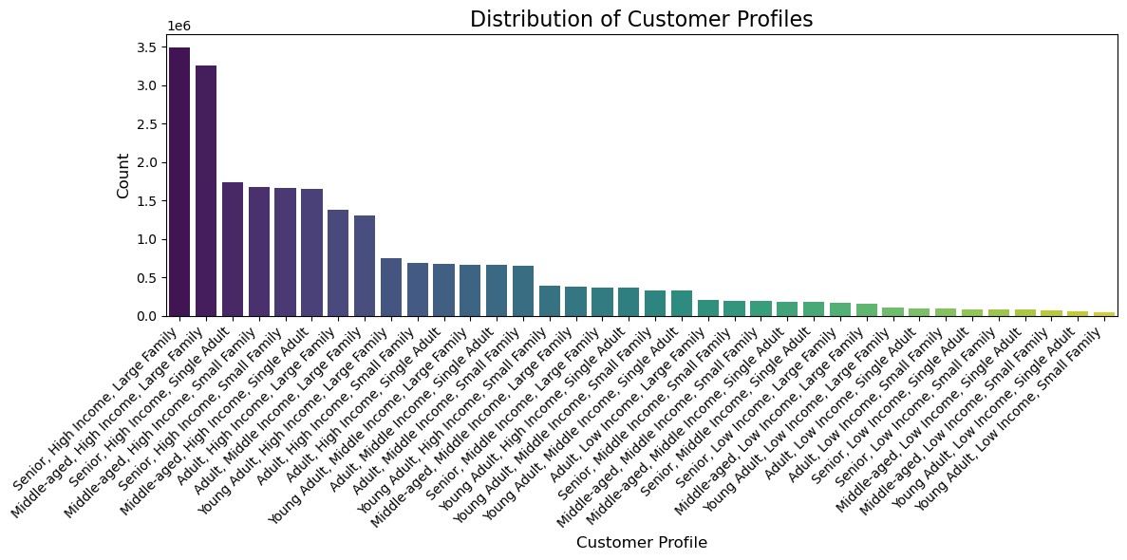
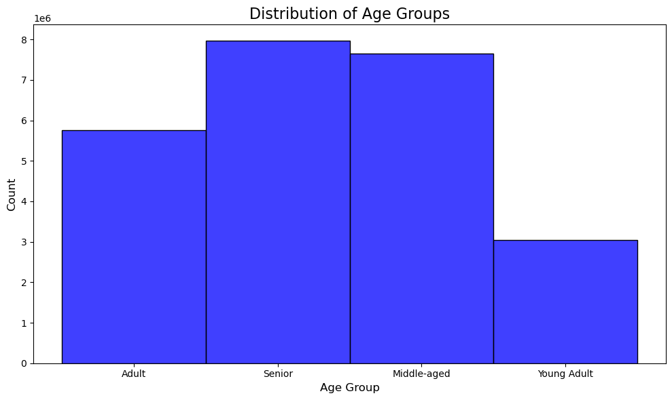
 |  |  | Title page

Visualisations

In this tab you should include all the visualtions from Exercises 4.9 and 4.10, alongside the questions from the project brief that they answer. Include any commentary on the relationship between different variables.

Visualization | Question Addressed | Commentary
Bar Chart: Distribution of Orders by Loyalty | What is the distribution of orders among different loyalty categories? | This bar chart highlights the count of orders placed by customers categorized as "Regular," "Loyal," and "New." Regular customers contribute the most, followed by loyal and new customers. This insight helps in refining promotional strategies.
Histogram: Distribution of Orders by Hour of Day | When do customers most frequently place orders? | The histogram reveals the frequency of orders throughout the day, with peak activity between 10 AM and 3 PM. This insight supports adjustments to staffing or marketing campaigns during peak hours.
Line Chart: Prices by Hour of Day | How does the average price of orders vary by hour of day? | This line chart shows fluctuations in order prices during the day. Higher prices are observed during late-night hours, which may indicate premium or impulsive purchases. Useful for optimizing prices or night-time promotions.
Scatterplot: Age vs. Income | How is customer income distributed across different age groups? | The scatterplot illustrates the relationship between age and income, revealing clusters of income distribution across age brackets. Useful for designing age-specific marketing strategies.
Bar Chart: Distribution of Customer Profiles | What are the dominant customer profiles in the dataset? | This bar chart showcases the distribution of various customer profiles (age, income, family size). Profiles like "Senior, High Income, Large Family" dominate the dataset, providing a focus for resource allocation.
Pie Chart: Proportion of Customer Profiles | What is the proportional distribution of customer profiles? | The pie chart provides proportional insights into customer profiles, complementing the bar chart. It highlights dominant profiles and their share in the customer base.
Bar Chart: Distribution of Age Groups | What is the distribution of customers across age groups? | This bar chart shows the distribution of customers across age groups (Adult, Senior, Middle-aged, Young Adult). Seniors and Middle-aged customers dominate, highlighting potential focus areas for marketing.
Line Chart: Age vs. Number of Dependents | How does the number of dependents vary across different age groups? | This line chart visualizes the relationship between age and dependents. Fluctuations suggest variations in family size with age, useful for refining family-oriented product offerings.
Bar Chart: Spending by Region | How does spending vary across regions? | This bar chart illustrates spending by customers across regions. Key differences indicate regions with higher average spending, guiding location-based strategies.
Bar Chart: Spending by Department | What are the spending patterns across different departments? | This chart highlights which departments (e.g., produce, dairy, etc.) drive the highest spending. This insight helps allocate resources effectively in supply chain management.
Heatmap: Correlation Between Variables | What are the relationships between key variables in the dataset? | This heatmap provides a correlation matrix, helping to understand relationships like income and spending, family size, and order frequency. Supports data-driven decision-making.
Stacked Bar Chart: Orders by Loyalty and Region | How do loyalty categories vary by region? | This stacked bar chart combines regional and loyalty data to show how "Regular," "Loyal," and "New" customer categories are distributed regionally, aiding targeted campaigns.

7. Recommendations
 |  | Title page

Recommendations

In this tab you should include any recommendations you would made to Instcart in terms of their marketing strategy based on the questions posed in the brief. Every key question has been covered in the Tasks of the Exercises - here you need to add an item - a visualisation or table/crosstable that is showing the answer in the data, acompanied by a comment from you. Please, list the questions below and add the answer underneath.

Question | Answer/Recommendation
1. Who are Instacart’s most valuable customers? | Instacart's most valuable customers are Senior, High Income, Large Families and Middle-aged, High Income, Large Families, as they generate the highest order volumes. Marketing strategies should prioritize personalized offers for these profiles, such as discounts on bulk purchases.
2. When do customers typically shop? | Peak shopping hours are between 10 AM and 3 PM. Instacart should allocate more resources during these times, such as enhanced customer support and promotional campaigns targeting this period.
3. Which products or departments generate the most revenue? | Produce and Dairy departments generate the highest revenues. Focus on ensuring consistent availability and quality in these departments. Tailor promotional campaigns around these products to maximize customer engagement.
4. What are the loyalty trends among customers? | Regular customers contribute the largest share of orders. However, loyal customers also represent a significant segment. Strategies such as loyalty programs and exclusive offers can encourage repeat purchases and foster loyalty.
5. How does customer spending vary by region? | Certain regions, such as urban areas, show higher average spending. Instacart should consider region-specific campaigns, such as free delivery promotions, in regions with lower spending to boost engagement.
6. How does age impact purchasing behavior? | Older customers (Seniors and Middle-aged) account for the majority of purchases, often buying in bulk. Promotions for these demographics can focus on family-oriented products and subscription models for recurring purchases.
7. What is the relationship between income and spending? | Higher-income customers spend significantly more, making them a priority for premium services and personalized offers. Targeted campaigns highlighting premium products can drive higher engagement from this group.

Additional Recommendations:

1.Optimize Night-Time Strategies: Late-night purchases often involve higher prices. Promoting exclusive late-night deals can further capitalize on this behavior.
2. Enhance Customer Segmentation: Use customer profiles to create hyper-personalized marketing strategies, ensuring that each segment feels directly catered to.
3. Improve Family-Focused Offers: Families, especially large families, represent a significant portion of the customer base. Creating family bundles or subscription services for essential products can enhance retention.

